Parameters and Instructions
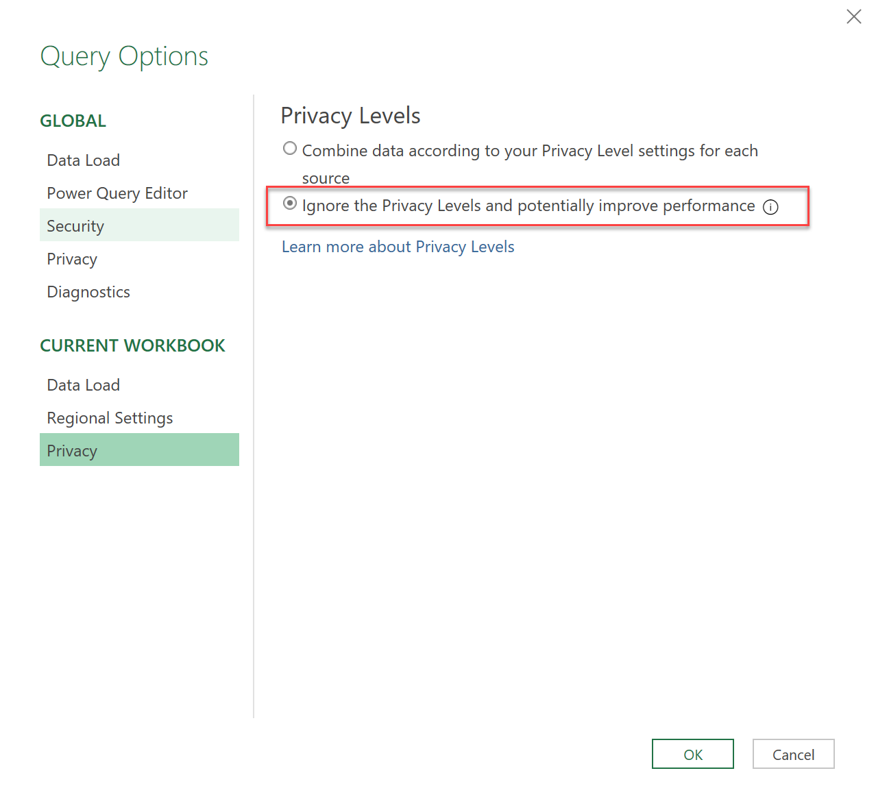
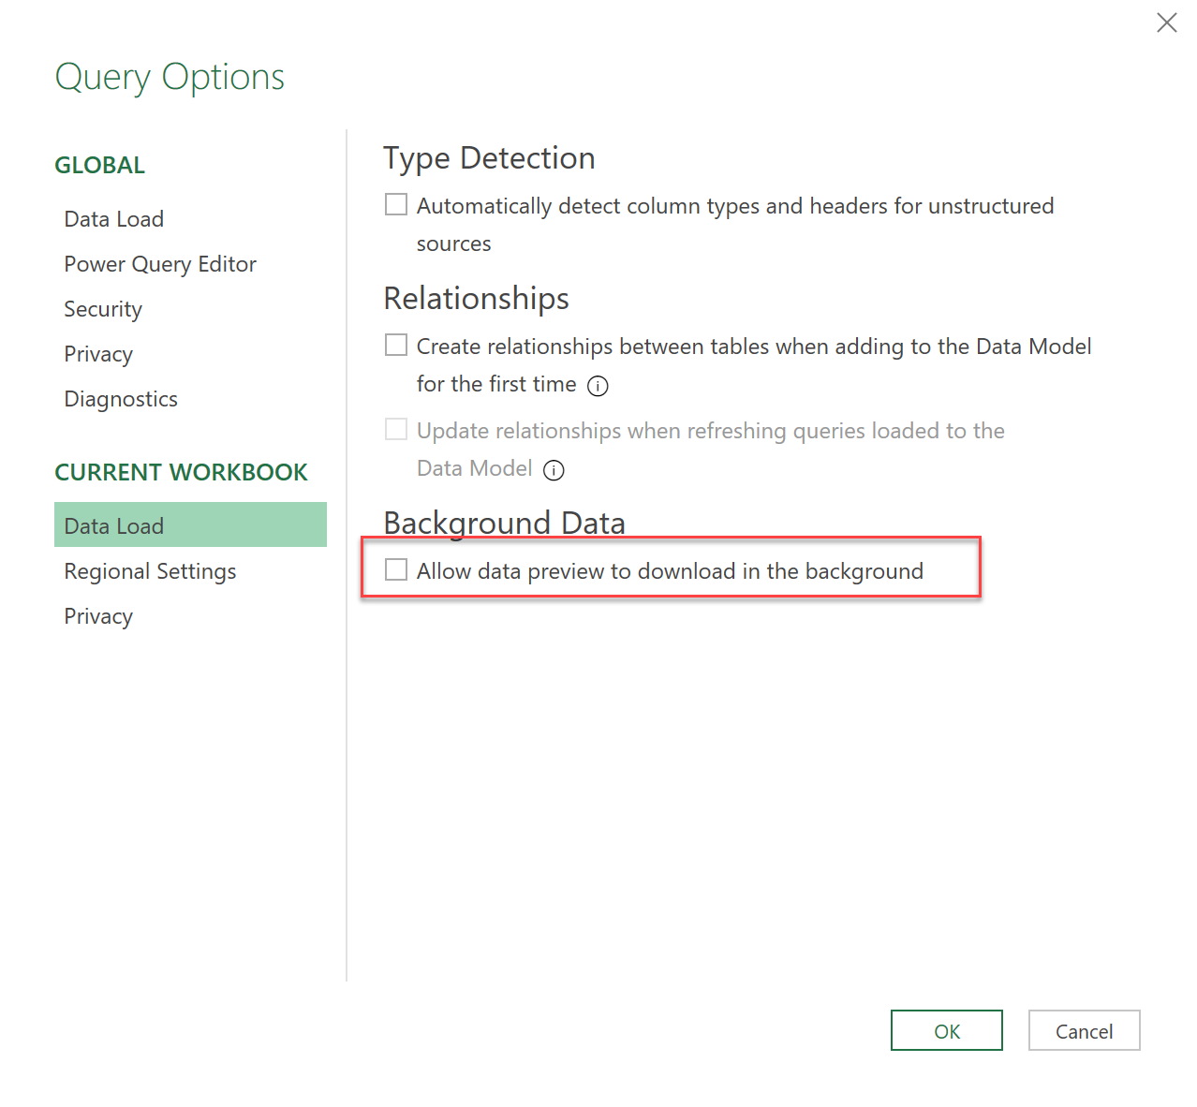
 |  | POWER BI COMPARER
 |  | Compares all properties from 2 Power BI template files with each other

Parameters:
 | Fully specified file paths
Old Version | C:\Users\eruiz\source\Repos\PestPac\PowerBIEmbedded\PBI\src\Latest\Pestpac Dataset.pbit
New Version | C:\Users\eruiz\source\Repos\PestPac\PowerBIEmbedded\PBI\src\Pestpac Dataset.pbit

Summary:
 | Page | # of changes
 | CompareMashup | 67 | 0 | !! Inconsistency Warning !!
 | CompareTables | 723
 | CompareVisuals | 2840
 | EverytingElse | 157

Instructions:
1 | Convert the pbix-files to templates (pbit):
 | In Power BI: File -> Save as -> under "Save as type" choose: "Power BI template file (pbit)"

2 | Enter pbit-filepaths into table above:
 | They have to be fully specified like: C:/User/Pathxyz/YourPBIFilename.pbit

3 | Adjust settings in Power Query:

 | Data -> Get Data -> Query Options
 | a) Ignore Privacy Levels (see pic below)
 | b) Disable data preview download in the background (see pic below)

4 | Refresh data:
 | Data -> Refresh All

